M1 ECU Set-Up New
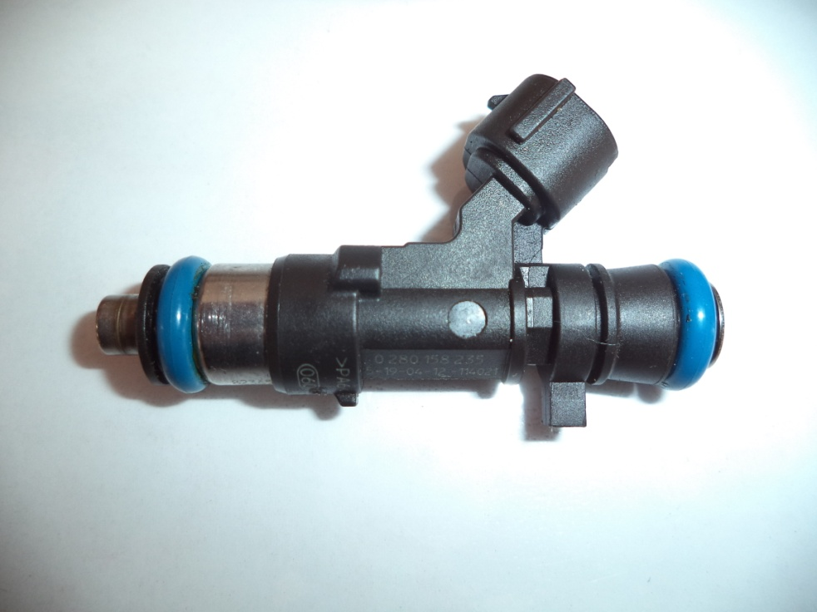
Injector Info

 | Manufacturer |  | Bosch
 | Part No. |  | 0 280 158 235
 | Resistance (Ω) |  | 12.4

 | Vehicle |  | Benelli
 | Model |  | Jetski
 | Engine |  | Not Available

 | Peak Current |  | 4.0 |  | A |  | Minimum Volume |  |  | 1.00 | µl
 | Hold Current |  | 0.30 |  | A |  | Ref Flow @ |  | 300 kPa g | 12.14 | ml/s
 | Peak Time |  | 8.0 |  | ms |  | Ref Flow @ |  | 400 kPa g | 14.08 | ml/s
 | Off Time |  | 7.0 |  | ms |  | Ref Flow @ |  | 500 kPa g | 15.66 | ml/s
 | Pin Drive |  | Saturated |  |  |  | Ref Flow @ |  | 600 kPa g | 16.91 | ml/s
 |  |  |  |  |  |  | Ref Flow @ |  |  |  | ml/s

Voltages : |  | 8 | 10 | 12 | 14 | 15

Pulse widths (ms), dependend on voltage (V), fuel differential pressure (horizontal, kPa) and fuel volume (vertical, μl)

8 Volt |  |  |  |  |  |  | 10 Volt |  |  |  |  |  | 12 Volt |  |  |  |  |  | 14 Volt |  |  |  |  |  | 15 Volt

M1 | v2 |  |  |  |  |  | M1 | v2 |  |  |  |  | M1 | v2 |  |  |  |  | M1 | v2 |  |  |  |  | M1 | v2
Body | ms |  |  |  |  |  | Body | ms |  |  |  |  | Body | ms |  |  |  |  | Body | ms |  |  |  |  | Body | ms
Cols | dkPa | Fuel Pressure Differential |  |  |  |  | Cols | dkPa | Fuel Pressure Differential |  |  |  | Cols | dkPa | Fuel Pressure Differential |  |  |  | Cols | dkPa | Fuel Pressure Differential |  |  |  | Cols | dkPa | Fuel Pressure Differential
Rows | ul | Fuel Cylinder 1 Output Pulse Volume |  |  |  |  | Rows | ul | Fuel Cylinder 1 Output Pulse Volume |  |  |  | Rows | ul | Fuel Cylinder 1 Output Pulse Volume |  |  |  | Rows | ul | Fuel Cylinder 1 Output Pulse Volume |  |  |  | Rows | ul | Fuel Cylinder 1 Output Pulse Volume
 | 300 | 400 | 500 | 600 |  |  |  | 300 | 400 | 500 | 600 |  |  | 300 | 400 | 500 | 600 |  |  | 300 | 400 | 500 | 600 |  |  | 300 | 400 | 500 | 600
1.00 | 2.848 | 3.590 | 3.619 | 4.420 |  |  | 1.00 | 1.915 | 2.128 | 2.383 | 2.720 |  | 1.00 | 1.474 | 1.593 | 1.724 | 1.856 |  | 1.00 | 1.211 | 1.296 | 1.380 | 1.463 |  | 1.00 | 1.113 | 1.196 | 1.258 | 1.328
2.50 | 2.985 | 3.734 | 3.693 | 4.473 |  |  | 2.50 | 2.000 | 2.209 | 2.489 | 2.844 |  | 2.50 | 1.545 | 1.651 | 1.790 | 1.929 |  | 2.50 | 1.262 | 1.351 | 1.438 | 1.528 |  | 2.50 | 1.171 | 1.251 | 1.333 | 1.381
4.00 | 3.039 | 3.753 | 3.708 | 4.522 |  |  | 4.00 | 2.036 | 2.246 | 2.522 | 2.878 |  | 4.00 | 1.578 | 1.689 | 1.834 | 1.970 |  | 4.00 | 1.291 | 1.380 | 1.478 | 1.567 |  | 4.00 | 1.210 | 1.270 | 1.347 | 1.430
5.50 | 3.071 | 3.773 | 3.727 | 4.532 |  |  | 5.50 | 2.070 | 2.275 | 2.547 | 2.904 |  | 5.50 | 1.623 | 1.715 | 1.856 | 1.997 |  | 5.50 | 1.312 | 1.402 | 1.494 | 1.592 |  | 5.50 | 1.236 | 1.286 | 1.366 | 1.440
7.00 | 3.102 | 3.793 | 3.740 | 4.543 |  |  | 7.00 | 2.097 | 2.323 | 2.569 | 2.926 |  | 7.00 | 1.686 | 1.732 | 1.871 | 2.017 |  | 7.00 | 1.427 | 1.420 | 1.508 | 1.611 |  | 7.00 | 1.317 | 1.324 | 1.379 | 1.451
8.50 | 3.134 | 3.818 | 3.753 | 4.575 |  |  | 8.50 | 2.195 | 2.370 | 2.591 | 2.948 |  | 8.50 | 1.784 | 1.762 | 1.912 | 2.059 |  | 8.50 | 1.521 | 1.462 | 1.521 | 1.650 |  | 8.50 | 1.424 | 1.401 | 1.393 | 1.483
10.00 | 3.207 | 3.849 | 3.854 | 4.638 |  |  | 10.00 | 2.312 | 2.418 | 2.613 | 2.970 |  | 10.00 | 1.882 | 1.905 | 1.984 | 2.104 |  | 10.00 | 1.616 | 1.595 | 1.594 | 1.696 |  | 10.00 | 1.504 | 1.477 | 1.493 | 1.546
11.50 | 3.319 | 3.890 | 3.928 | 4.687 |  |  | 11.50 | 2.412 | 2.506 | 2.694 | 2.993 |  | 11.50 | 1.978 | 2.001 | 2.056 | 2.159 |  | 11.50 | 1.714 | 1.679 | 1.714 | 1.751 |  | 11.50 | 1.613 | 1.575 | 1.568 | 1.595
13.00 | 3.445 | 3.953 | 4.012 | 4.777 |  |  | 13.00 | 2.515 | 2.599 | 2.782 | 3.062 |  | 13.00 | 2.077 | 2.098 | 2.135 | 2.231 |  | 13.00 | 1.812 | 1.762 | 1.791 | 1.825 |  | 13.00 | 1.714 | 1.653 | 1.651 | 1.685
14.50 | 3.571 | 4.055 | 4.094 | 4.852 |  |  | 14.50 | 2.639 | 2.692 | 2.868 | 3.144 |  | 14.50 | 2.202 | 2.194 | 2.214 | 2.303 |  | 14.50 | 1.938 | 1.846 | 1.868 | 1.899 |  | 14.50 | 1.850 | 1.740 | 1.733 | 1.760
16.00 | 3.696 | 4.151 | 4.171 | 4.921 |  |  | 16.00 | 2.762 | 2.796 | 2.954 | 3.225 |  | 16.00 | 2.328 | 2.290 | 2.293 | 2.375 |  | 16.00 | 2.067 | 1.962 | 1.946 | 1.974 |  | 16.00 | 1.971 | 1.849 | 1.811 | 1.829
17.50 | 3.821 | 4.251 | 4.275 | 5.008 |  |  | 17.50 | 2.886 | 2.900 | 3.038 | 3.314 |  | 17.50 | 2.453 | 2.386 | 2.389 | 2.445 |  | 17.50 | 2.195 | 2.080 | 2.035 | 2.053 |  | 17.50 | 2.116 | 1.973 | 1.915 | 1.916
19.00 | 3.947 | 4.377 | 4.375 | 5.094 |  |  | 19.00 | 3.015 | 3.012 | 3.134 | 3.406 |  | 19.00 | 2.578 | 2.490 | 2.486 | 2.533 |  | 19.00 | 2.325 | 2.188 | 2.132 | 2.142 |  | 19.00 | 2.230 | 2.087 | 2.014 | 2.002
20.50 | 4.072 | 4.502 | 4.473 | 5.185 |  |  | 20.50 | 3.140 | 3.118 | 3.234 | 3.497 |  | 20.50 | 2.703 | 2.596 | 2.584 | 2.623 |  | 20.50 | 2.456 | 2.295 | 2.231 | 2.230 |  | 20.50 | 2.338 | 2.192 | 2.112 | 2.093
22.00 | 4.198 | 4.628 | 4.568 | 5.276 |  |  | 22.00 | 3.264 | 3.224 | 3.334 | 3.589 |  | 22.00 | 2.829 | 2.702 | 2.681 | 2.714 |  | 22.00 | 2.586 | 2.401 | 2.330 | 2.319 |  | 22.00 | 2.471 | 2.294 | 2.207 | 2.184
23.50 | 4.323 | 4.748 | 4.661 | 5.362 |  |  | 23.50 | 3.389 | 3.330 | 3.435 | 3.682 |  | 23.50 | 2.954 | 2.808 | 2.779 | 2.805 |  | 23.50 | 2.717 | 2.508 | 2.428 | 2.407 |  | 23.50 | 2.600 | 2.399 | 2.300 | 2.270
25.00 | 4.453 | 4.862 | 4.757 | 5.451 |  |  | 25.00 | 3.517 | 3.444 | 3.537 | 3.776 |  | 25.00 | 3.087 | 2.915 | 2.876 | 2.895 |  | 25.00 | 2.832 | 2.616 | 2.527 | 2.495 |  | 25.00 | 2.725 | 2.505 | 2.396 | 2.359
26.50 | 4.584 | 4.976 | 4.853 | 5.548 |  |  | 26.50 | 3.645 | 3.564 | 3.639 | 3.870 |  | 26.50 | 3.213 | 3.027 | 2.972 | 2.985 |  | 26.50 | 2.947 | 2.723 | 2.626 | 2.583 |  | 26.50 | 2.851 | 2.611 | 2.492 | 2.456
28.00 | 4.714 | 5.090 | 4.949 | 5.639 |  |  | 28.00 | 3.774 | 3.685 | 3.742 | 3.964 |  | 28.00 | 3.340 | 3.152 | 3.082 | 3.081 |  | 28.00 | 3.079 | 2.831 | 2.725 | 2.670 |  | 28.00 | 2.976 | 2.717 | 2.588 | 2.547
29.50 | 4.845 | 5.206 | 5.045 | 5.728 |  |  | 29.50 | 3.902 | 3.806 | 3.845 | 4.053 |  | 29.50 | 3.466 | 3.276 | 3.194 | 3.178 |  | 29.50 | 3.223 | 2.938 | 2.823 | 2.758 |  | 29.50 | 3.100 | 2.823 | 2.684 | 2.636
 |  |  | * | *
* marked columns contain extrapolated data

Pulse widths (ms), dependend on fuel differential pressure (kPa), voltage (horizontal, V) and fuel volume (vertical, μl)

300 |  |  |  |  |  |  | 400 |  |  |  |  |  | 500 |  |  |  |  |  | 600

 | 8 | 10 | 12 | 14 | 15 |  |  | 8 | 10 | 12 | 14 | 15 |  | 8 | 10 | 12 | 14 | 15 |  | 8 | 10 | 12 | 14 | 15
1.00 | 2.848 | 1.915 | 1.474 | 1.211 | 1.113 |  | 1.00 | 3.590 | 2.128 | 1.593 | 1.296 | 1.196 | 1.00 | 3.619 | 2.383 | 1.724 | 1.380 | 1.258 | 1.00 | 4.420 | 2.720 | 1.856 | 1.463 | 1.328
2.50 | 2.985 | 2.000 | 1.545 | 1.262 | 1.171 |  | 2.50 | 3.734 | 2.209 | 1.651 | 1.351 | 1.251 | 2.50 | 3.693 | 2.489 | 1.790 | 1.438 | 1.333 | 2.50 | 4.473 | 2.844 | 1.929 | 1.528 | 1.381
4.00 | 3.039 | 2.036 | 1.578 | 1.291 | 1.210 |  | 4.00 | 3.753 | 2.246 | 1.689 | 1.380 | 1.270 | 4.00 | 3.708 | 2.522 | 1.834 | 1.478 | 1.347 | 4.00 | 4.522 | 2.878 | 1.970 | 1.567 | 1.430
5.50 | 3.071 | 2.070 | 1.623 | 1.312 | 1.236 |  | 5.50 | 3.773 | 2.275 | 1.715 | 1.402 | 1.286 | 5.50 | 3.727 | 2.547 | 1.856 | 1.494 | 1.366 | 5.50 | 4.532 | 2.904 | 1.997 | 1.592 | 1.440
7.00 | 3.102 | 2.097 | 1.686 | 1.427 | 1.317 |  | 7.00 | 3.793 | 2.323 | 1.732 | 1.420 | 1.324 | 7.00 | 3.740 | 2.569 | 1.871 | 1.508 | 1.379 | 7.00 | 4.543 | 2.926 | 2.017 | 1.611 | 1.451
8.50 | 3.134 | 2.195 | 1.784 | 1.521 | 1.424 |  | 8.50 | 3.818 | 2.370 | 1.762 | 1.462 | 1.401 | 8.50 | 3.753 | 2.591 | 1.912 | 1.521 | 1.393 | 8.50 | 4.575 | 2.948 | 2.059 | 1.650 | 1.483
10.00 | 3.207 | 2.312 | 1.882 | 1.616 | 1.504 |  | 10.00 | 3.849 | 2.418 | 1.905 | 1.595 | 1.477 | 10.00 | 3.854 | 2.613 | 1.984 | 1.594 | 1.493 | 10.00 | 4.638 | 2.970 | 2.104 | 1.696 | 1.546
11.50 | 3.319 | 2.412 | 1.978 | 1.714 | 1.613 |  | 11.50 | 3.890 | 2.506 | 2.001 | 1.679 | 1.575 | 11.50 | 3.928 | 2.694 | 2.056 | 1.714 | 1.568 | 11.50 | 4.687 | 2.993 | 2.159 | 1.751 | 1.595
13.00 | 3.445 | 2.515 | 2.077 | 1.812 | 1.714 |  | 13.00 | 3.953 | 2.599 | 2.098 | 1.762 | 1.653 | 13.00 | 4.012 | 2.782 | 2.135 | 1.791 | 1.651 | 13.00 | 4.777 | 3.062 | 2.231 | 1.825 | 1.685
14.50 | 3.571 | 2.639 | 2.202 | 1.938 | 1.850 |  | 14.50 | 4.055 | 2.692 | 2.194 | 1.846 | 1.740 | 14.50 | 4.094 | 2.868 | 2.214 | 1.868 | 1.733 | 14.50 | 4.852 | 3.144 | 2.303 | 1.899 | 1.760
16.00 | 3.696 | 2.762 | 2.328 | 2.067 | 1.971 |  | 16.00 | 4.151 | 2.796 | 2.290 | 1.962 | 1.849 | 16.00 | 4.171 | 2.954 | 2.293 | 1.946 | 1.811 | 16.00 | 4.921 | 3.225 | 2.375 | 1.974 | 1.829
17.50 | 3.821 | 2.886 | 2.453 | 2.195 | 2.116 |  | 17.50 | 4.251 | 2.900 | 2.386 | 2.080 | 1.973 | 17.50 | 4.275 | 3.038 | 2.389 | 2.035 | 1.915 | 17.50 | 5.008 | 3.314 | 2.445 | 2.053 | 1.916
19.00 | 3.947 | 3.015 | 2.578 | 2.325 | 2.230 |  | 19.00 | 4.377 | 3.012 | 2.490 | 2.188 | 2.087 | 19.00 | 4.375 | 3.134 | 2.486 | 2.132 | 2.014 | 19.00 | 5.094 | 3.406 | 2.533 | 2.142 | 2.002
20.50 | 4.072 | 3.140 | 2.703 | 2.456 | 2.338 |  | 20.50 | 4.502 | 3.118 | 2.596 | 2.295 | 2.192 | 20.50 | 4.473 | 3.234 | 2.584 | 2.231 | 2.112 | 20.50 | 5.185 | 3.497 | 2.623 | 2.230 | 2.093
22.00 | 4.198 | 3.264 | 2.829 | 2.586 | 2.471 |  | 22.00 | 4.628 | 3.224 | 2.702 | 2.401 | 2.294 | 22.00 | 4.568 | 3.334 | 2.681 | 2.330 | 2.207 | 22.00 | 5.276 | 3.589 | 2.714 | 2.319 | 2.184
23.50 | 4.323 | 3.389 | 2.954 | 2.717 | 2.600 |  | 23.50 | 4.748 | 3.330 | 2.808 | 2.508 | 2.399 | 23.50 | 4.661 | 3.435 | 2.779 | 2.428 | 2.300 | 23.50 | 5.362 | 3.682 | 2.805 | 2.407 | 2.270
25.00 | 4.453 | 3.517 | 3.087 | 2.832 | 2.725 |  | 25.00 | 4.862 | 3.444 | 2.915 | 2.616 | 2.505 | 25.00 | 4.757 | 3.537 | 2.876 | 2.527 | 2.396 | 25.00 | 5.451 | 3.776 | 2.895 | 2.495 | 2.359
26.50 | 4.584 | 3.645 | 3.213 | 2.947 | 2.851 |  | 26.50 | 4.976 | 3.564 | 3.027 | 2.723 | 2.611 | 26.50 | 4.853 | 3.639 | 2.972 | 2.626 | 2.492 | 26.50 | 5.548 | 3.870 | 2.985 | 2.583 | 2.456
28.00 | 4.714 | 3.774 | 3.340 | 3.079 | 2.976 |  | 28.00 | 5.090 | 3.685 | 3.152 | 2.831 | 2.717 | 28.00 | 4.949 | 3.742 | 3.082 | 2.725 | 2.588 | 28.00 | 5.639 | 3.964 | 3.081 | 2.670 | 2.547
29.50 | 4.845 | 3.902 | 3.466 | 3.223 | 3.100 |  | 29.50 | 5.206 | 3.806 | 3.276 | 2.938 | 2.823 | 29.50 | 5.045 | 3.845 | 3.194 | 2.823 | 2.684 | 29.50 | 5.728 | 4.053 | 3.178 | 2.758 | 2.636
 |  |  |  |  |  |  |  |  |  |  |  |  |  | * |  |  |  |  |  | *
* marked columns contain extrapolated data

